Pre-Assessment
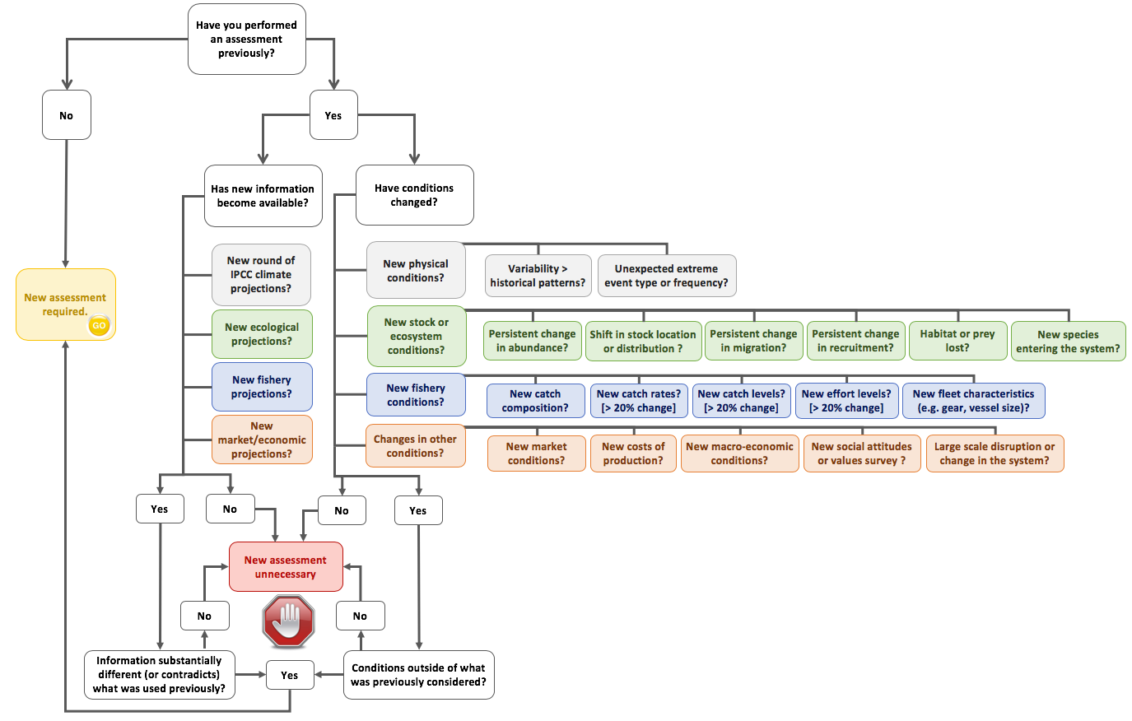
Trigger Assessment?
To see if the need for a new assessment has been triggered consult the questions below and check the decision tree ------------------>
Has change occurred?
Type of change | Yes/No | Comment
Have you performed an assessment previously?
Changes in physical conditions (variability, extreme events)?
Changes in stock (abundance, distribution, time of year when active)?
Changes in catches?
Changes in catch composition?
Changes in effort?
Changes in market conditions?
Changes in economic conditions (e.g. costs)?
Other changes?

Is new information available?
Type of information | Yes/No | Comment
New climate projections (e.g. by IPCC)?
New ecological forecasts (e.g. ecosystem models or stock assessments)?
New fishery projections?
New market or economic projections?
Other sources of new information?

Define the Scope of the Assessment

Aim(s) of the Assessment

Objective(s) of the Assessment

Species to Assess
Target species

Byproduct species

Bycatch/Discard species

Threatened, Endangered, Protected species

Sectors to Assess (gears, jurisdictions, home ports)

Time scale
2020-2030

Spatial scale

Participation and values (e.g. Commercial, Recreational, Indigenous)

Management Instruments in Use
Instrument (Add others as appropriate) | In use? | Comments
Effort quota (or cap)
ITE
Catch quota (or cap) for target species
ITQ
Trigger limits for by-product species
Landing restrictions
TEP catch triggers
Environmental triggers for harvest rules
Gear restrictions
Vessel restrictions
Size limits
Area closures
Seasonal closures
Spawning closures
Automated data transmission
Real time data collection and reporting
Industry co-management
Levies in use
Licences in use to limit access

Available data sets

